Logic
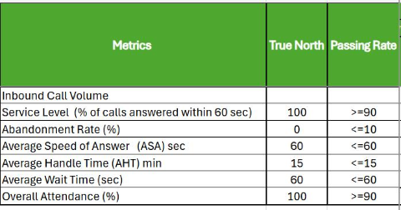
Areas to Measure | Logic
RPTO & SDPTO Target review and submission | Actual count of RPTO and SDPTO reviewed and submitted over Target count | Call metrics standard customer care measure, do not include Average speed of answer
SDPTO Submission PTO validation (Permit to Operate) FSP Validation (FInal Solar Permit) | 24 hour TAT from start date to end date @ 95% attainment
SDPTO First Pass Yield (Internal QA) SDPTO First Pass Yield (Corporate QA) | Use First Pass Yield parameters for PTO submissions via internal QA and utility submission results that pass the internal QA
Attendance | Present and punctual work days over scheduled work days SL considered 'absent' in this measure *Tardiness via late log-in with appropriate point deduction (TBD)
Assigned Task | Timeliness and consistency on actual cadence reporting SDPTO Queue Productivity Report M2 PTO Support NTP Date update RAMP payment transactions
Project Coordinator Task NTC (Notice to Correct) & SWO (Service Work Order) Sales Proposal creation Child Project Creation Service PO | Count of created cases from start to end date, 1 day SLA @ 100% attainment Need Design Proposal (start date) vs Complete Date (end date), 1day SLA @ 100% attainment BOM Requested date (start date) vs Complete Date (end date), 1 day SLA @ 100% attainment 16 days prior to TRIM promised date,
Call Metrics (Applicable to personnel doing OHO and SAC task) | Service Level (% of calls answered within 60 secs), >=90
 | Abandonment Rate (%), <=10
 | Average Handle Time (AHT) min, <=15
 | Average wait time, <=60

 |  | 16 days prior to trim promised date. 19 days prior to rough promised date
Escrow Update - How to measure?
 |  | wo start date = once received. end date = o... by MEF - Mary Ann Francisco
 |  | MEF - Mary Ann Francisco
 |  | 14:47:00

 |  | wo start date = once received. end date = once processed

